Front
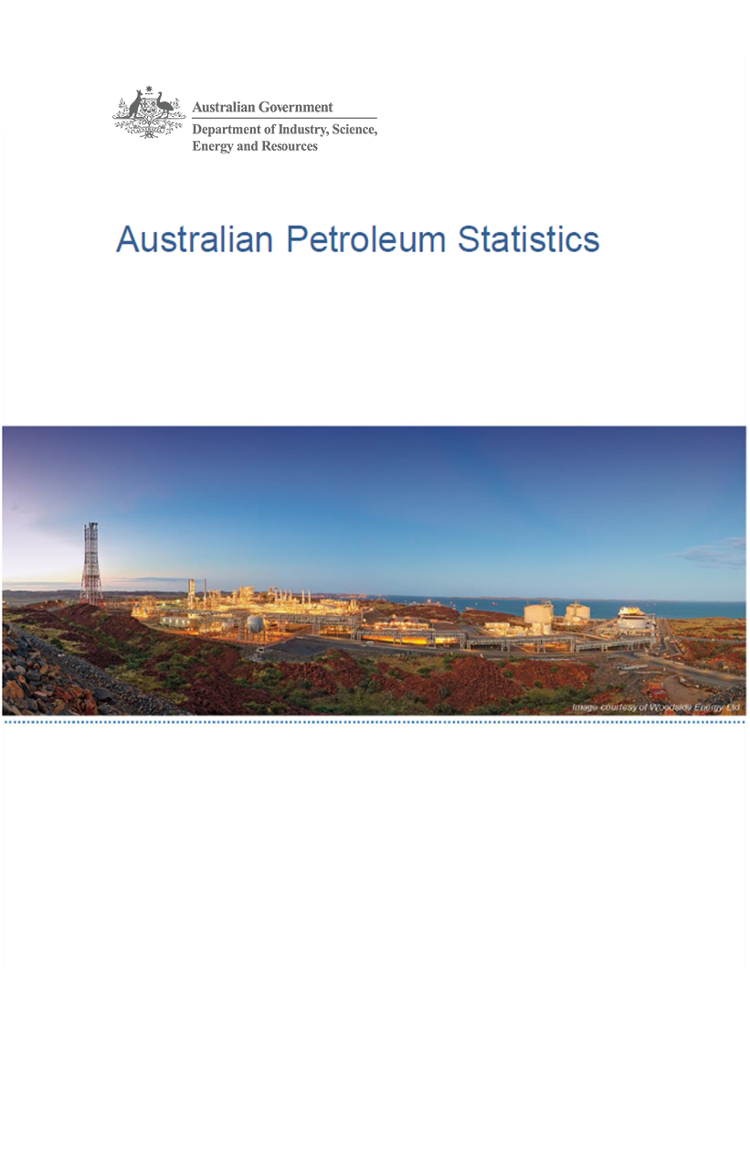

Issue 291, October 2020

https://www.energy.gov.au/government-priorities/energy-data/australian-petroleum-statistics

Figure 8B
Australian Petroleum Statistics

Figure 8B. Comparison of retail fuel prices and taxes in OECD countries - June Quarter 2020

Premium unleaded petrol
 | Price ex. tax | Total tax
United States | 71 | 23
Canada | 71 | 47
Australia | 71 | 54
Turkey | 52 | 75
Chile | 78 | 71
Poland | 61 | 90
Hungary | 63 | 92
Czech Republic | 54 | 108
Luxembourg | 62 | 102
Slovenia | 47 | 122
Lithuania | 64 | 107
Latvia | 56 | 117
Austria | 62 | 111
Spain | 73 | 111
Slovak Republic | 71 | 117
New Zealand | 93 | 98
Estonia | 71 | 127
Korea | 85 | 116
United Kingdom | 58 | 144
Ireland | 64 | 142
Germany | 64 | 142
Belgium | 73 | 137
Sweden | 63 | 147
France | 64 | 151
Norway | 77 | 139
Portugal | 65 | 153
Switzerland | 86 | 134
Finland | 60 | 161
Israel | 57 | 165
Greece | 65 | 161
Denmark | 78 | 149
Italy | 69 | 164
Netherlands | 77 | 174
Regular unleaded petrol
 | Price ex. tax | Total tax
United States | 55 | 23
Canada | 56 | 45
Australia | 58 | 52
Chile | 74 | 69
Korea | 54 | 108
New Zealand | 77 | 95
Austria | 62 | 111
Japan | 86 | 97
Automotive diesel
 | Price ex. tax | Total tax
United States | 73 | 24
Canada | 63 | 40
Chile | 78 | 28
New Zealand | 90 | 19
Australia | 67 | 53
Turkey | 56 | 64
Korea | 59 | 79
Luxembourg | 71 | 80
Lithuania | 65 | 89
Poland | 70 | 84
Japan | 97 | 59
Latvia | 60 | 99
Czech Republic | 67 | 96
Hungary | 74 | 89
Austria | 71 | 97
Slovenia | 56 | 112
Spain | 77 | 92
Slovak Republic | 83 | 91
Estonia | 80 | 101
Germany | 75 | 109
Greece | 82 | 106
Denmark | 80 | 110
Ireland | 71 | 122
Portugal | 76 | 122
France | 63 | 136
Finland | 72 | 127
Netherlands | 86 | 117
Norway | 88 | 119
United Kingdom | 68 | 145
Sweden | 98 | 117
Italy | 73 | 142
Belgium | 79 | 137
Switzerland | 96 | 141
Israel | 78 | 162
Automotive LPG
 | Price ex. tax | Total tax
Slovak Republic | 35 | 25
Luxembourg | 54 | 13
Poland | 37 | 30
Belgium | 57 | 12
Australia | 50 | 20
Czech Republic | 48 | 26
Lithuania | 37 | 40
Latvia | 38 | 42
Netherlands | 45 | 47
Germany | 64 | 30
Korea | 59 | 36
Canada | 81 | 18
Estonia | 50 | 49
Slovenia | 62 | 37
Italy | 57 | 44
Hungary | 65 | 39
Portugal | 60 | 47
Turkey | 73 | 36
Spain | 87 | 25
Japan | 92 | 26
France | 97 | 44

